Responsive testing
Responsive Testing Login Functionality Site: https://web.whatsapp.com Date: 10/03/25 Prepared by: Tushar

Functionality ID | Functionality Name | Screen Resolution | Screen Shot | Status
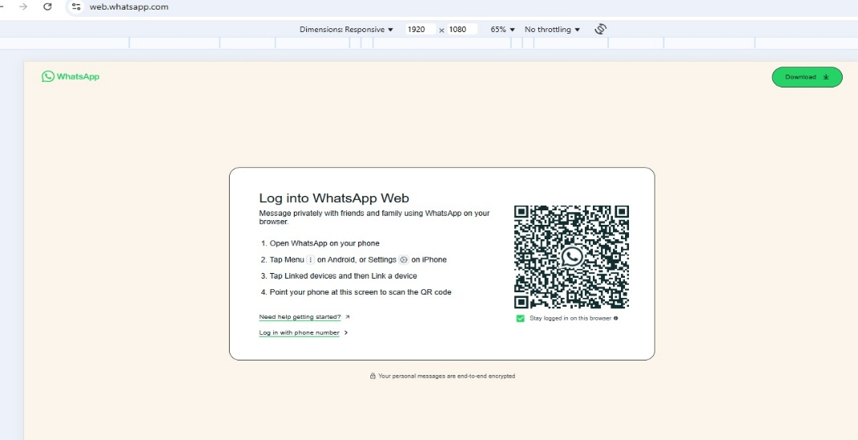
1 | Verify to check the whatsapp web page whether the screen is user friendly or not
 |  |  |  | Pass

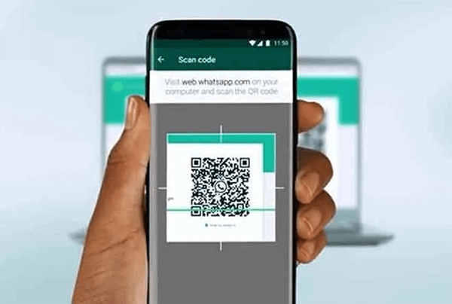
2 | verify to check the whatsapp web scan to mobile phones

 |  |  |  | Pass

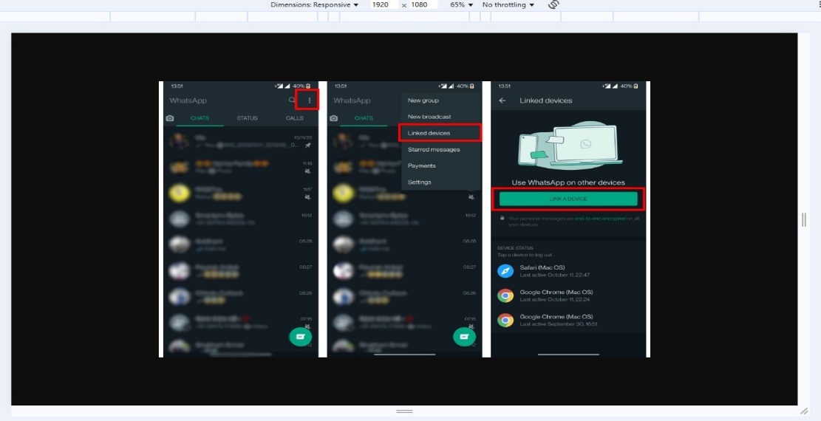
3 | verify to check link device in whatsapp web

 |  |  |  | Pass

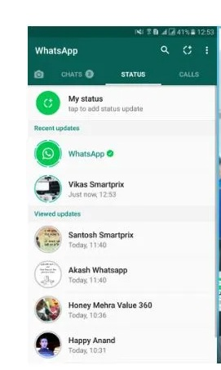

4 | verify to check open status in whatsapp web.
 |  |  |  | Pass


5 | Verify to check who check status check properly

 |  |  |  | Pass

